Details
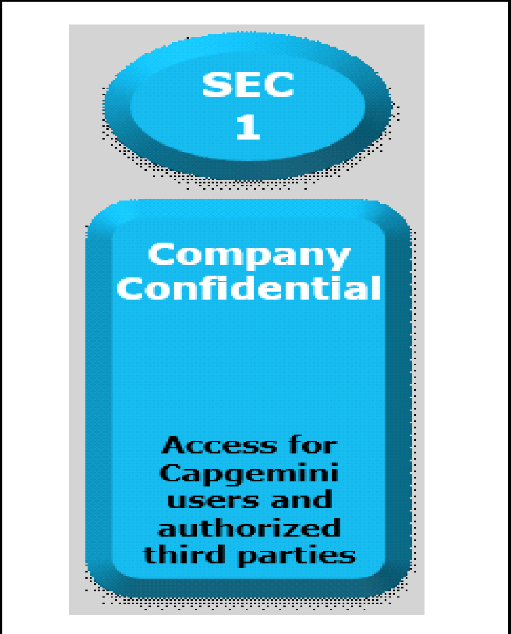

Documents Control Section

Project Details
Project Name | Customized Network packet Validator(using CRC) |  | Project Id | <27.08.2022_SPRINT<2>_GROUP<06>
Project Revision History

Date | Version | Author | Brief Description of Changes |  | Approver Signature
2022-08-29 | Version 1.0 | Riya Singh | CRC Unit test cases
2022-08-30 | Version 1.1 | Daraksha Afreen | Client socket test cases
2022-08-31 | Version 1.2 | Rounak Das | Server Socket test cases
2022-09-01 | Version 1.3 | Soumili Bhawani | text to binary test cases
2022-09-02 | Version 1.4 | Manikandan .G | Login test cases
2022-09-03 | Version 1.5 | Vignesh Ventaksh | Login test cases

 |  |  |  |  |  | Using eSkills Matrix Tool for Skill Tracking
 |  |  |  |  |  | Not using eSkills Matrix Tool for Skill Tracking

